WCIF Loan Description
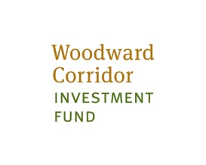

WOODWARD CORRIDOR INVESTMENT FUND

FUND PURPOSE: | WCIF was created to provide loan funds to projects in the Woodward Corridor area. The fund will target projects that are primarily residential rental real estate, with some preference for affordability. WCIF will consider projects with some commercial and/or retail component. The fund will focus on projects with the greatest positive impact on the community.

LOAN STRUCTURE: | Loans in the range of $500,000 to $5 million will be considered.

 | WCIF is a permanent loan product, designed to take out construction lenders post stabilization. NCB Capital Impact, program manager, is able to provide predevelopment and construction financing as well.

 | Loans will be sized based upon the following terms:
 | - 15 year term
 | - 30 year amortization
 | - 5.0% fixed interest rate for the first 10 years
 | - 1.25 Debt Coverage Ratio (DCR)
 | - Up to a 120% Loan to Value (LTV) Ratio
 | - Ability to refinance in year 15

PROJECT REQUIREMENTS: | WCIF will target projects that are most ready to proceed. An ability to close by December 2014 is an important criteria.

 | Developers must bring an experienced team to the project.

 | Developers will be required to provide some equity into the project, along with construction completion and loan guarantees.

APPLICATION PROCESS: | Applications will begin to be accepted on September 16, 2013 through December 2013
 | Applications can be submitted electronically or in hard copy.
 | All application questions and information should be sent to:

 | Melinda Clemons
 | Senior Loan Officer
 | Capital Impact Partners
 | mclemons@capitalimpact.org
 | 734.929.4224

